craters
location | latitude | longitude | radius (meters) | diameter (meters) | Apollo 16 | crater morphology | Thickness (0.084) | Geologic Features | Distance from the nearest large basin (d>100km)
-9.13629, 15.38257 | -9.13629 | 15.38257 | 373 | 746 |  | concentric, rocky ejecta | 62.664 | Imbrain Plains (Ip) | 330km
-9.08086, 15.42384 | -9.08086 | 15.42384 | 82.22 | 164.44 |  | bowl, rocky ejecta | 13.81296 | Imbrain Plains (Ip)
-8.60139, 15.55132 | -8.60139 | 15.55132 | 57.18 | 114.36 |  | bowl, rocky ejecta | 9.60624 | Imbrain Basin (Ib)
-8.65809, 15.54350 | -8.65809 | 15.54350 | 18.36 | 36.72 |  | bowl | 3.08448 | Imbrain Basin (Ib)
-8.56443, 15.64036 | -8.56443 | 15.64036 | 44.97 | 89.94 |  | concentric | 7.55496 | Imbrain Basin (Ib)
-8.48716, 15.46488 | -8.48716 | 15.46488 | 27.57 | 55.14 |  | bowl | 4.63176 | Imbrain Basin (Ib)
-8.76175, 15.75166 | -8.76175 | 15.75166 | 14.5 | 29 |  | bowl | 2.436 | Imbrain Basin (Ib)
-8.90316, 15.78020 | -8.90316 | 15.78020 | 29.71 | 59.42 |  | bowl | 4.99128 | Imbrain Basin (Ib)
-8.89943, 15.46737 | -8.89943 | 15.46737 | 13.24 | 26.48 |  | bowl | 2.22432 | Imbrain Plains (Ip)
-8.89801, 15.50580 | -8.89801 | 15.50580 | 30.23 | 60.46 |  | bowl | 5.07864 | Imbrain Plains (Ip)
-8.83580, 15.63396 | -8.83580 | 15.63396 | 16.74 | 33.48 |  | bowl | 2.81232 | Imbrain Basin (Ib)
-9.05393, 15.15996 | -9.05393 | 15.15996 | 29.59 | 59.18 |  | bowl | 4.97112 | Imbrain Plains (Ip)
-9.21549, 16.09475 | -9.21549 | 16.09475 | 45 | 90 |  | bowl | 7.56 | Imbrain Basin (Ib)
-8.65573, 15.38030 | -8.65573 | 15.38030 | 82.82 | 165.64 |  | flat-floored | 13.91376 | Imbrain Basin (Ib)
-9.17440, 15.10935 | -9.17440 | 15.10935 | 34.61 | 69.22 |  | bowl | 5.81448 | Imbrain Plains (Ip)
-8.14754, 15.52494 | -8.14754 | 15.52494 | 61.33 | 122.66 |  | bowl, rocky ejecta | 10.30344 | Imbrain Basin (Ib)
-9.58973, 15.38227 | -9.58973 | 15.38227 | 85.27 | 170.54 |  | bowl? | 14.32536 | Imbrain Basin (Ib)
-10.42384, 14.96945 | -10.4238 | 14.96945 | 53.85 | 107.7 |  | bowl | 9.0468 | Imbrain Plains (Ip)
-10.96410, 15.83383 | -10.9641 | 15.83383 | 23.85 | 47.7 |  | bowl | 4.0068 | Imbrain Basin (Ib)
-8.72399, 16.13095 | -8.72399 | 16.13095 | 68.37 | 136.74 |  | bowl | 11.48616 | Imbrain Basin (Ib)
location | latitude | longitude | radius (meters) | diameter (meters) | Apollo 15 | crater morphology | Thickness (0.084) | Geologic Features | Distance from the nearest large basin (d>100km)
26.00516, 3.68121 | 26.00516 | 3.68121 | 26.53 | 53.06 |  | bowl | 4.45704 | Eratosthenian Mare (Em) | 830km
25.97919, 3.58446 | 25.97919 | 3.58446 | 26.49 | 52.98 |  | bowl, rocky ejecta | 4.45032 | Nectarian Basin, Massif (Nbm)
26.00372, 3.51890 | 26.00372 | 3.51890 | 15.26 | 30.52 |  | bowl | 2.56368 | Eratosthenian Mare (Em)
26.38412, 3.43276 | 26.38412 | 3.43276 | 32.14 | 64.28 |  | bowl | 5.39952 | Eratosthenian Mare (Em)
26.20147, 3.91175 | 26.20147 | 3.91175 | 31.51 | 63.02 |  | bowl, rocky ejecta | 5.29368 | Nectarian Basin, Massif (Nbm)
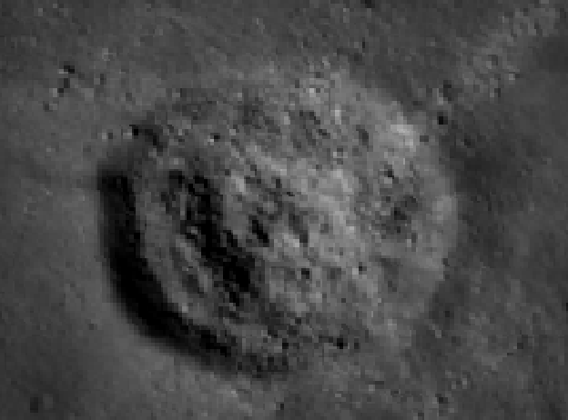
26.51915, 3.84625 | 26.51915 | 3.84625 | 24.71 | 49.42 |  | bowl | 4.15128 | Nectarian Basin, Massif (Nbm)
26.44292, 3.69004 | 26.44292 | 3.69004 | 68.55 | 137.1 |  | flat-floored, rocky ejecta | 11.5164 | Eratosthenian Mare (Em) |  | ->
26.43931, 3.57660 | 26.43931 | 3.57660 | 14.52 | 29.04 |  | bowl | 2.43936 | Eratosthenian Mare (Em)
26.79376, 3.34084 | 26.79376 | 3.34084 | 38.52 | 77.04 |  | bowl | 6.47136 | Imbrian Imbrium Apenninus Formation (Iiap)
27.07165, 3.77551 | 27.07165 | 3.77551 | 37.29 | 74.58 |  | bowl | 6.26472 | Imbrian Imbrium Apenninus Formation (Iiap)
27.22644, 3.85308 | 27.22644 | 3.85308 | 39.59 | 79.18 |  | bowl | 6.65112 | Imbrian Imbrium Apenninus Formation (Iiap)
25.13552, 4.34231 | 25.13552 | 4.34231 | 130 | 260 |  | flat-floored, rocky ejecta | 21.84 | Imbrian Imbrium Apenninus Formation (Iiap)
25.69727, 4.02143 | 25.69727 | 4.02143 | 31.43 | 62.86 |  | bowl, rocky ejecta | 5.28024 | Nectarian Basin, Massif (Nbm)
25.36601, 2.01241 | 25.36601 | 2.01241 | 53.1 | 106.2 |  | bowl, rocky ejecta | 8.9208 | Imbrian Imbrium Apenninus Formation (Iiap)
27.32421, 3.73432 | 27.32421 | 3.73432 | 18.14 | 36.28 |  | bowl | 3.04752 | Imbrian Imbrium Apenninus Formation (Iiap)
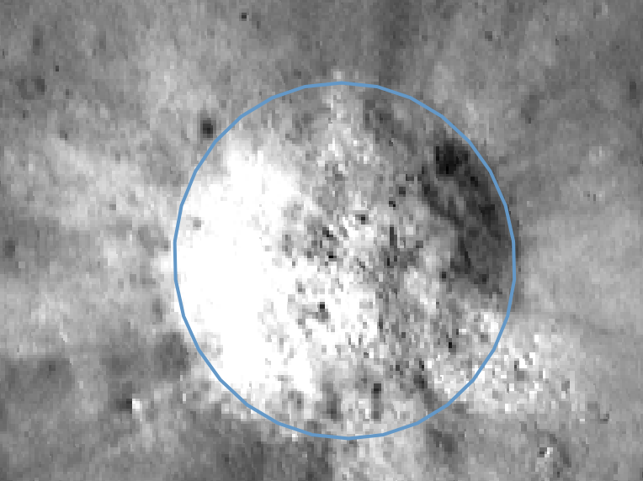
location | latitude | longitude | radius (meters) | diameter (meters) | Apollo 14 | crater morphology | Thickness (0.084) | Geologic Features | Distance from the nearest large basin (d>100km)
-3.67137, 342.55921 | -3.67137 | 342.55921 | 25.57 | 51.14 |  | bowl | 4.29576 | Imbrian Imbrium Fra Mauro Formation (Iif) | 410km | ->
-3.61933, 342.56762 | -3.61933 | 342.56762 | 160 | 320 |  | concentric, rocky ejecta | 26.88 | Imbrian Imbrium Fra Mauro Formation (Iif)
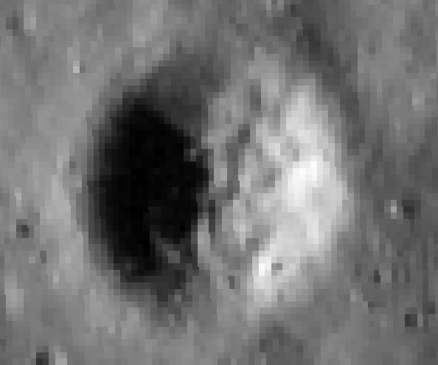
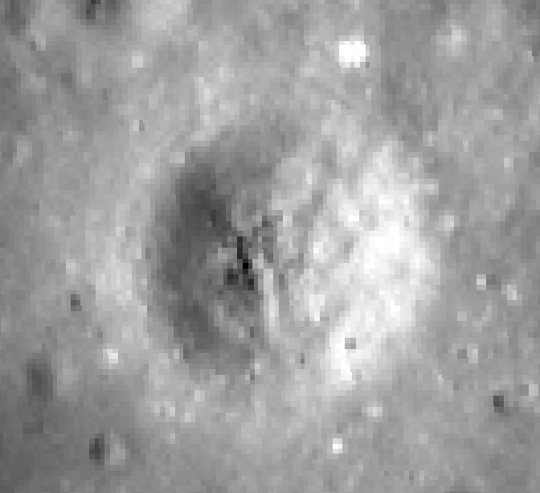
-3.57350, 342.57638 | -3.57350 | 342.57638 | 10.16 | 20.32 |  | bowl | 1.70688 | Imbrian Imbrium Fra Mauro Formation (Iif)
-3.75150, 342.58297 | -3.75150 | 342.58297 | 23.55 | 47.1 |  | bowl | 3.9564 | Imbrian Imbrium Fra Mauro Formation (Iif) |  |  | ->
-3.61734, 342.50003 | -3.61734 | 342.50003 | 19.62 | 39.24 |  | bowl | 3.29616 | Imbrian Imbrium Fra Mauro Formation (Iif)
-3.73665, 342.50904 | -3.73665 | 342.50904 | 63.91 | 127.82 |  | bowl, rocky ejecta | 10.73688 | Imbrian Imbrium Fra Mauro Formation (Iif)
-3.82150, 342.54680 | -3.82150 | 342.54680 | 13.66 | 27.32 |  | bowl | 2.29488 | Imbrian Imbrium Fra Mauro Formation (Iif)
-3.56964, 342.50508 | -3.56964 | 342.50508 | 32.95 | 65.9 |  | flat-floored | 5.5356 | Imbrian Imbrium Fra Mauro Formation (Iif)
-3.89660, 342.40467 | -3.89660 | 342.40467 | 95.17 | 190.34 |  | bowl, rocky ejecta | 15.98856 | Imbrian Imbrium Fra Mauro Formation (Iif)
-3.89077, 342.42741 | -3.89077 | 342.42741 | 39.95 | 79.9 |  | flat-floored | 6.7116 | Imbrian Imbrium Fra Mauro Formation (Iif)
-3.50055, 342.41520 | -3.50055 | 342.41520 | 10.32 | 20.64 |  | bowl | 1.73376 | Imbrian Imbrium Fra Mauro Formation (Iif)
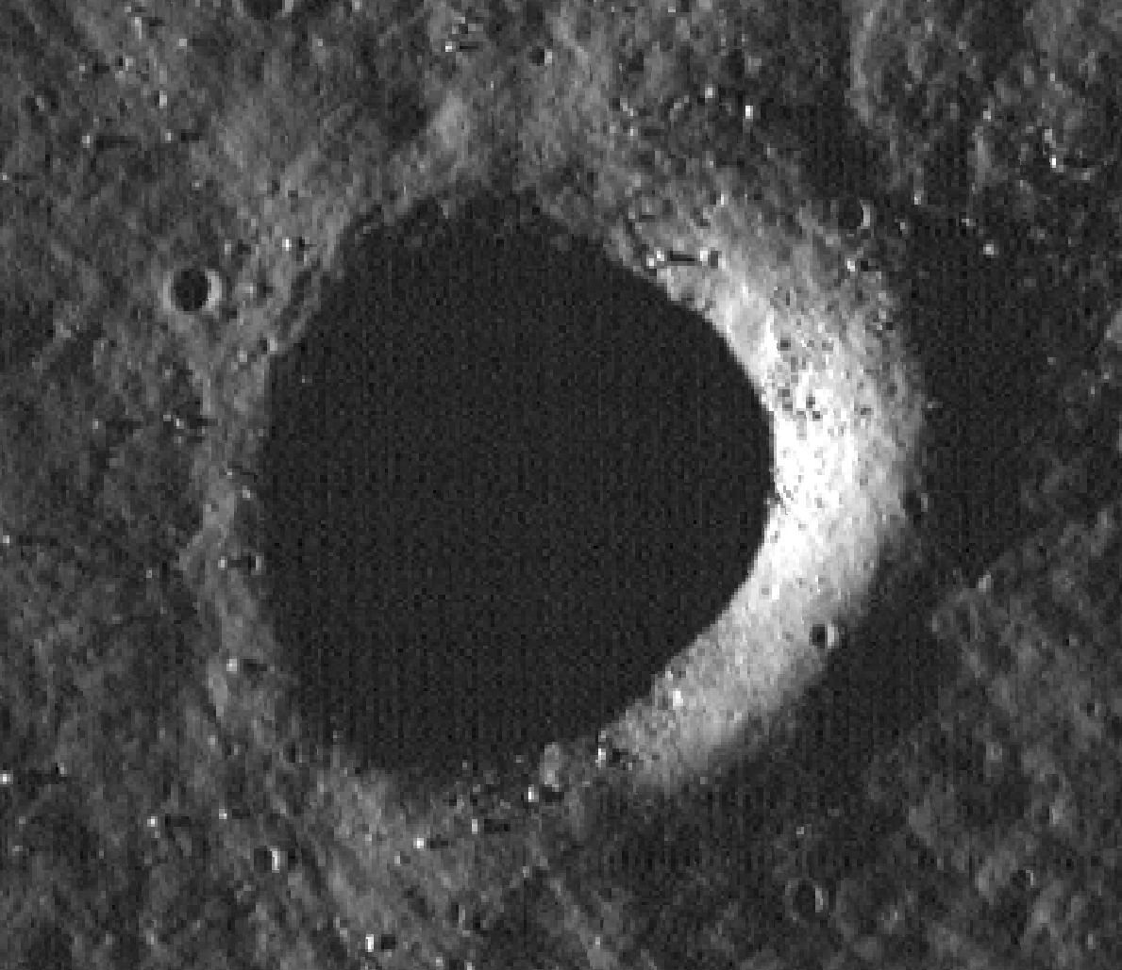
-3.76466, 342.41128 | -3.76466 | 342.41128 | 46.83 | 93.66 |  | bowl, rocky ejecta | 7.86744 | Imbrian Imbrium Fra Mauro Formation (Iif) |  | ->
-3.62032, 342.43928 | -3.62032 | 342.43928 | 110 | 220 |  | bowl, rocky ejecta | 18.48 | Imbrian Imbrium Fra Mauro Formation (Iif)
-3.60875, 342.51011 | -3.60875 | 342.51011 | 10.07 | 20.14 |  | bowl | 1.69176 | Imbrian Imbrium Fra Mauro Formation (Iif)
-3.71559, 342.44117 | -3.71559 | 342.44117 | 12.21 | 24.42 |  | bowl | 2.05128 | Imbrian Imbrium Fra Mauro Formation (Iif)
-3.97368, 342.57565 | -3.97368 | 342.57565 | 31.85 | 63.7 |  | bowl | 5.3508 | Imbrian Imbrium Fra Mauro Formation (Iif)
-4.44868, 342.63283 | -4.44868 | 342.63283 | 66.48 | 132.96 |  | bowl, rocky ejecta | 11.16864 | Imbrian Imbrium Fra Mauro Formation (Iif)
-4.10229, 342.88435 | -4.10229 | 342.88435 | 47.38 | 94.76 |  | bowl | 7.95984 | Imbrian Imbrium Fra Mauro Formation (Iif)
-4.02758, 342.71516 | -4.02758 | 342.71516 | 48.85 | 97.7 |  | bowl, rocky ejecta | 8.2068 | Imbrian Imbrium Fra Mauro Formation (Iif)
-3.22161, 342.93897 | -3.22161 | 342.93897 | 56.46 | 112.92 |  | bowl, rocky ejecta | 9.48528 | Imbrian Imbrium Fra Mauro Formation (Iif)
-3.16883, 343.03678 | -3.16883 | 343.03678 | 46.16 | 92.32 |  | concentric, rocky ejecta | 7.75488 | Imbrian Imbrium Fra Mauro Formation (Iif)
-4.69160, 342.46489 | -4.69160 | 342.46489 | 40.05 | 80.1 |  | bowl, rocky ejecta | 6.7284 | Imbrian Imbrium Fra Mauro Formation (Iif)
-2.77145, 342.48912 | -2.77145 | 342.48912 | 42.52 | 85.04 |  | bowl | 7.14336 | Imbrian Imbrium Fra Mauro Formation (Iif)
-2.63780, 342.46129 | -2.63780 | 342.46129 | 45.54 | 91.08 |  | bowl, rocky ejecta | 7.65072 | Imbrian Imbrium Fra Mauro Formation (Iif)
location | latitude | longitude | radius (meters) | diameter (meters) | Apollo 12 | crater morphology | Thickness (0.084) | Geologic Features | Distance from the nearest large basin (d>100km)
-2.72371, 336.77622 | -2.72371 | 336.77622 | 33.43 | 66.86 |  | bowl, rocky ejecta | 5.61624 | Eratosthenian Mare (Em) | 400km
-3.60496, 336.50861 | -3.60496 | 336.50861 | 190 | 380 |  | concentric, rocky ejecta | 31.92 | Eratosthenian Mare (Em)
-3.21118, 336.56083 | -3.21118 | 336.56083 | 19.94 | 39.88 |  | bowl | 3.34992 | Eratosthenian Mare (Em)
-2.94496, 336.41649 | -2.94496 | 336.41649 | 67.15 | 134.3 |  | concentric, rocky ejecta | 11.2812 | Eratosthenian Mare (Em)
-3.34307, 336.37092 | -3.34307 | 336.37092 | 90.96 | 181.92 |  | flat-floored, rocky ejecta | 15.28128 | Eratosthenian Mare (Em)
-2.24768, 336.48552 | -2.24768 | 336.48552 | 21.83 | 43.66 |  | concentric | 3.66744 | Eratosthenian Mare (Em)
-4.30408, 335.91643 | -4.30408 | 335.91643 | 81.46 | 162.92 |  | bowl, rocky ejecta | 13.68528 | Eratosthenian Mare (Em)
-4.41668, 335.87536 | -4.41668 | 335.87536 | 55.28 | 110.56 |  | bowl, rocky ejecta | 9.28704 | Eratosthenian Mare (Em)
-4.13487, 337.24150 | -4.13487 | 337.24150 | 37.18 | 74.36 |  | bowl, rocky ejecta | 6.24624 | Eratosthenian Mare (Em)
-3.76454, 337.29247 | -3.76454 | 337.29247 | 16.5 | 33 |  | bowl | 2.772 | Eratosthenian Mare (Em)
-3.64679, 337.37375 | -3.64679 | 337.37375 | 31.42 | 62.84 |  | bowl | 5.27856 | Eratosthenian Mare (Em)
-3.37155, 337.27954 | -3.37155 | 337.27954 | 36.81 | 73.62 |  | flat-floored, rocky ejecta | 6.18408 | Eratosthenian Mare (Em)
-2.11342, 337.05093 | -2.11342 | 337.05093 | 16.14 | 32.28 |  | bowl | 2.71152 | Eratosthenian Mare (Em)
-3.70914, 337.13158 | -3.70914 | 337.13158 | 74.89 | 149.78 |  | flat-floored, rocky ejecta | 12.58152 | Eratosthenian Mare (Em)
-3.21321, 337.72846 | -3.21321 | 337.72846 | 26.12 | 52.24 |  | bowl | 4.38816 | Eratosthenian Mare (Em)
-3.86975, 336.37892 | -3.86975 | 336.37892 | 45.32 | 90.64 |  | bowl, rocky ejecta | 7.61376 | Eratosthenian Mare (Em)
-4.36113, 336.97654 | -4.36113 | 336.97654 | 41.18 | 82.36 |  | bowl, rocky ejecta | 6.91824 | Eratosthenian Mare (Em)
-3.73787, 336.57588 | -3.73787 | 336.57588 | 34.24 | 68.48 |  | flat-floored, rocky ejecta | 5.75232 | Eratosthenian Mare (Em)
-3.91376, 336.48329 | -3.91376 | 336.48329 | 23.19 | 46.38 |  | bowl, rocky ejecta | 3.89592 | Eratosthenian Mare (Em)
-3.92075, 336.54334 | -3.92075 | 336.54334 | 45.98 | 91.96 |  | bowl, rocky ejecta | 7.72464 | Eratosthenian Mare (Em)
-3.05158, 336.99779 | -3.05158 | 336.99779 | 24.4 | 48.8 |  | bowl, rocky ejecta | 4.0992 | Eratosthenian Mare (Em)
-2.89515, 336.93126 | -2.89515 | 336.93126 | 18.92 | 37.84 |  | bowl | 3.17856 | Eratosthenian Mare (Em)
-2.55158, 336.95322 | -2.55158 | 336.95322 | 20.25 | 40.5 |  | bowl, rocky ejecta | 3.402 | Eratosthenian Mare (Em)
-2.49252, 336.72076 | -2.49252 | 336.72076 | 19.66 | 39.32 |  | bowl, rocky ejecta | 3.30288 | Eratosthenian Mare (Em)
-3.05952, 337.35566 | -3.05952 | 337.35566 | 19.81 | 39.62 |  | bowl | 3.32808 | Eratosthenian Mare (Em)
-3.55393, 337.33081 | -3.55393 | 337.33081 | 25.37 | 50.74 |  | flat-floored | 4.26216 | Eratosthenian Mare (Em)
-3.74984, 336.77026 | -3.74984 | 336.77026 | 20.6 | 41.2 |  | bowl | 3.4608 | Eratosthenian Mare (Em)
-2.43675, 336.75238 | -2.43675 | 336.75238 | 29.32 | 58.64 |  | flat-floored | 4.92576 | Eratosthenian Mare (Em)
-2.31920, 336.85172 | -2.31920 | 336.85172 | 20.39 | 40.78 |  | bowl | 3.42552 | Eratosthenian Mare (Em)
-2.13554, 336.74870 | -2.13554 | 336.74870 | 22.38 | 44.76 |  | bowl | 3.75984 | Eratosthenian Mare (Em)
location | latitude | longitude | radius (meters) | diameter (meters) | Apollo 11 | crater morphology | Thickness (0.084) | Geologic Features | Distance from the nearest large basin (d>100km)
 |  |  |  |  |  |  |  |  | 380km

location | latitude | longitude | radius (meters) | diameter (meters) | Apollo 17 | crater morphology | Thickness (0.084) | Geologic Features | Distance from the nearest large basin (d>100km)
20.62290, 31.16598 |  |  | 23.96 |  |  | bowl
20.61843, 31.33174 |  |  | 58.91 | 117.82 |  | bowl, rockey ejecta? | 9.89688 |  |  | ->
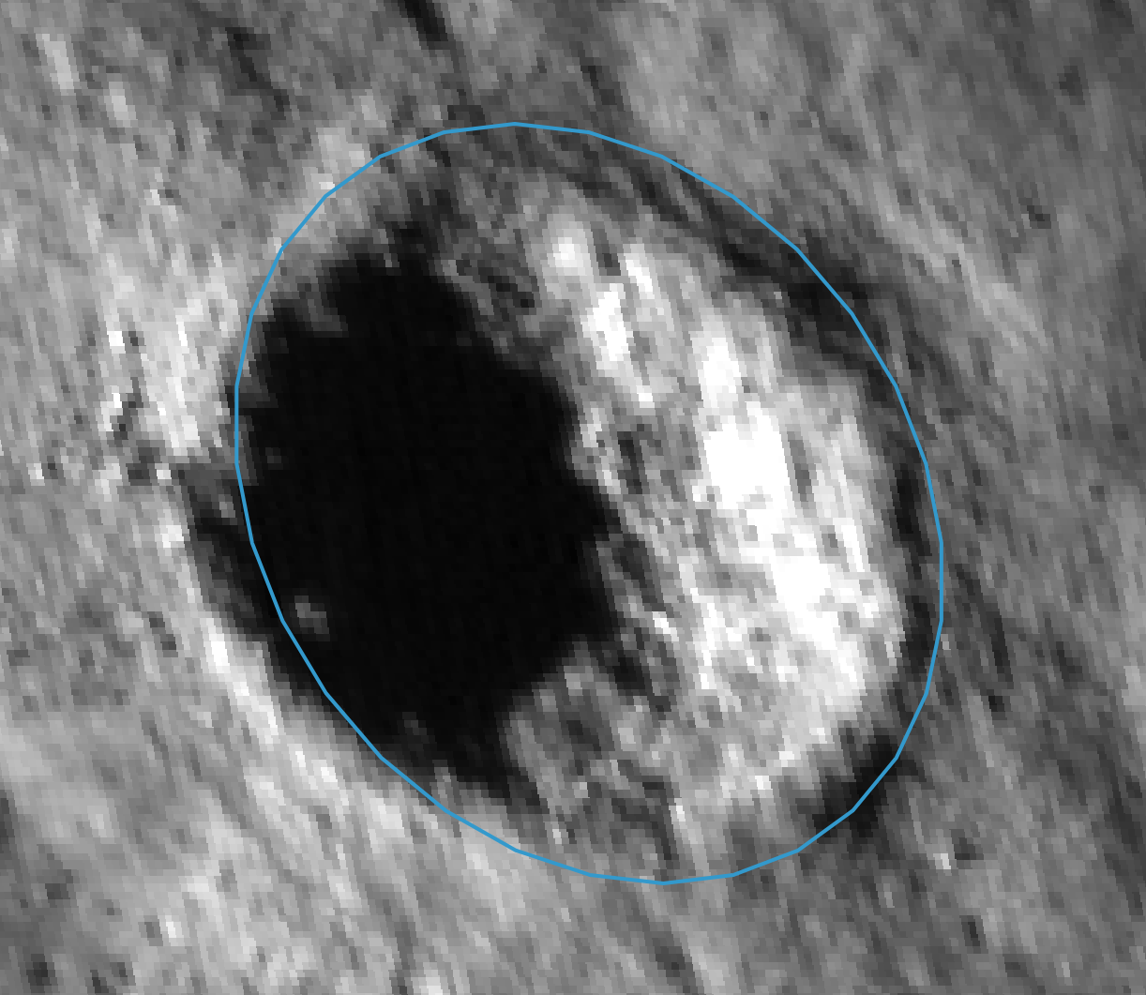
20.32151, 31.19975 |  |  | 27.13 |  |  | bowl
19.16986, 30.90724 |  |  | 110 |  |  | bowl, rockey ejecta

